Results
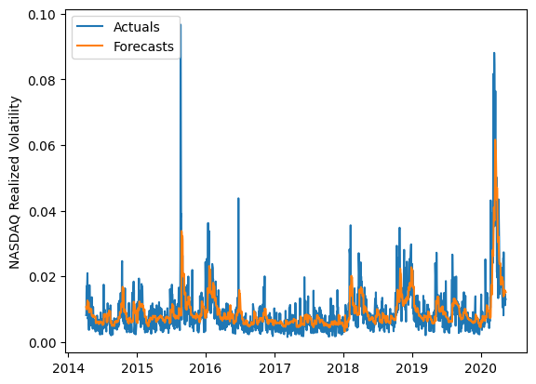
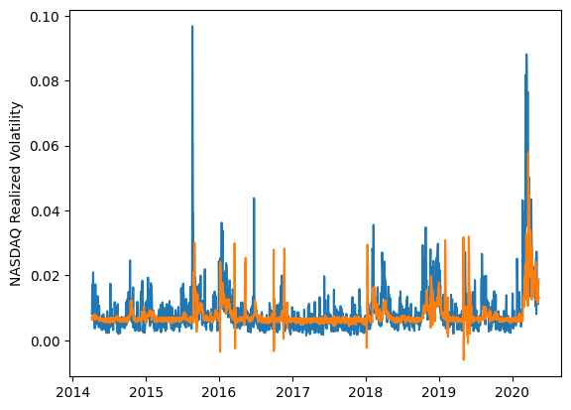
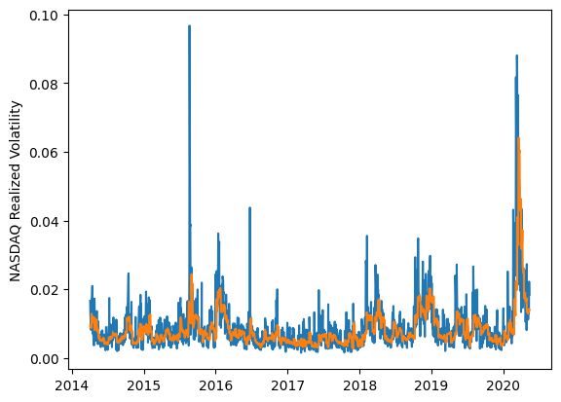
 | LSTM |  |  | TCN |  |  | NBEATSx |  |  |  |  | LSTM |  |  | TCN |  |  | NBEATSx
 | Accuracy | RMSE | Qlike | Accuracy | RMSE | Qlike | Accuracy | RMSE | Qlike |  |  | Accuracy | RMSE | Qlike | Accuracy | RMSE | Qlike | Accuracy | RMSE | Qlike
Trial 1 | 53.95% | 0.346% | 0.119 | 49.99% | 0.384% | 0.164 | 62.22% | 0.329% | 0.125 |  | Mean | 54.64% | 0.353% | 0.129 | 45.80% | 0.398% | 0.181 | 62.80% | 0.324% | 0.119
Trial 2 | 58.06% | 0.336% | 0.121 | 52.01% | 0.386% | 0.150 | 61.97% | 0.326% | 0.118 |  | Standard Deviation | 5.96% | 0.015% | 0.017 | 4.82% | 0.015% | 0.021 | 0.48% | 0.003% | 0.003
Trial 3 | 50.97% | 0.363% | 0.121 | 45.89% | 0.390% | 0.178 | 62.60% | 0.327% | 0.123 |  | 95% CI upper bound | 66.56% | 0.383% | 0.163 | 55.45% | 0.428% | 0.222 | 63.75% | 0.330% | 0.125
Trial 4 | 59.04% | 0.352% | 0.137 | 33.30% | 0.431% | 0.236 | 63.08% | 0.322% | 0.115 |  | 95% CI lower bound | 42.71% | 0.323% | 0.095 | 36.16% | 0.369% | 0.139 | 61.84% | 0.318% | 0.113
Trial 5 | 50.92% | 0.363% | 0.120 | 41.57% | 0.410% | 0.196 | 62.93% | 0.325% | 0.121 |  | 99.7% CI upper bound | 72.52% | 0.398% | 0.180 | 60.28% | 0.442% | 0.243 | 64.23% | 0.333% | 0.128
Trial 6 | 41.98% | 0.390% | 0.130 | 45.98% | 0.400% | 0.179 | 63.25% | 0.321% | 0.119 |  | 99.7% CI lower bound | 36.75% | 0.308% | 0.078 | 31.33% | 0.354% | 0.118 | 61.36% | 0.314% | 0.110
Trial 7 | 45.45% | 0.373% | 0.124 | 50.01% | 0.374% | 0.160 | 63.57% | 0.320% | 0.119
Trial 8 | 50.66% | 0.358% | 0.120 | 42.99% | 0.390% | 0.188 | 62.27% | 0.328% | 0.123
Trial 9 | 55.65% | 0.348% | 0.121 | 46.24% | 0.393% | 0.180 | 62.65% | 0.324% | 0.117
Trial 10 | 55.41% | 0.349% | 0.122 | 45.90% | 0.411% | 0.185 | 62.92% | 0.321% | 0.117
Trial 11 | 61.99% | 0.343% | 0.152 | 44.72% | 0.405% | 0.183 | 62.65% | 0.324% | 0.119
Trial 12 | 61.71% | 0.332% | 0.134 | 44.57% | 0.413% | 0.185 | 62.70% | 0.326% | 0.122
Trial 13 | 62.83% | 0.345% | 0.181 | 49.26% | 0.392% | 0.169 | 62.42% | 0.325% | 0.119
Trial 14 | 56.93% | 0.341% | 0.120 | 42.30% | 0.408% | 0.199 | 63.10% | 0.320% | 0.116
Trial 15 | 53.99% | 0.352% | 0.120 | 52.34% | 0.385% | 0.158 | 63.61% | 0.319% | 0.116

 | LSTM (best trial) |  |  |  |  |  |  |  |  | TCN (best trial) |  |  |  |  |  |  |  |  | NBEATSx (best trial)

